Info
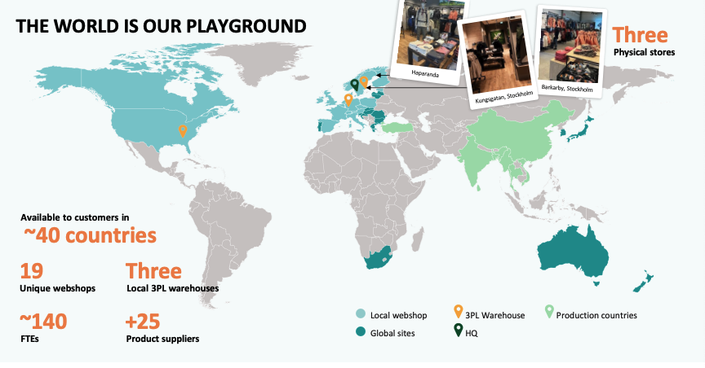
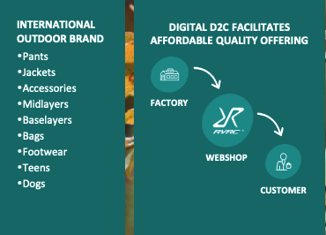

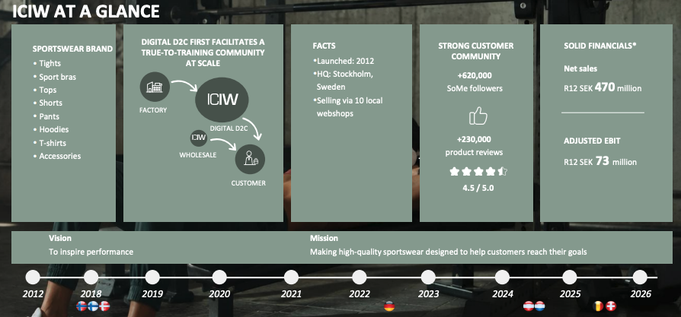

D2C = Direct to consumer
Selger direkte til sine kunder uten fordyrende mellomledd som sportsbutikker

19 unike webshops som gir en lokal følelse, disse nettbutikkene er tilpasset ulike markeder
3PL = tredjepartslogistikk: RVRC leier inn profesjonelle logistikkselskaper til å drifte lagrene sine i stedet for å drifte de selv som gir fleksibilitet. RVRC har sitt i Stocholm

Har produksjon i Asia
ICIW har prudksjon i Asia, shippes til varehuset i Borås, Sverige som opereres av en 3 part veldig likt RVRC allerede har.

Selger til:
Nordics
DACH: Deutchsland, Austria, Confoederatio Helvetica (Sveits)
Rest of world

Press releases:
26.08.26: ICIWL åpner første pioner butikk i Helsinki som er et viktig marked for selskapet
19.08.26: Største aksjonær og grunder Nyrensten flytter aksjene sine til Wealins, et forsikringsselskap i Luxemburg,
18.08.26: RVRC åpner sin første butikk i Tyskland i Oberhausen
08.07.26: RVRC gjør sitt første oppkjøp som er av ICANIWILL. Prisen er 700 SEKm i tillegg til earn-out påm 175 SEKm 100SEKm knyttet til 26 EBIT og 75 SEKm knyttet til 27 EBIT. EV/EBIT 9,5, 7,8 hvis earn outs blir oppnådd

